PL_03 ITPN Selfcheck WS-MNL
Selfcheck worksheet for the device where ITPN(IT Policy N@vi) is not installed(version 4.1) |  |  |  |  |  |  |  |  |  |  |  |  |  |  |  |  |  |  |  |  |  |  |  |  |  |  |  |  |  |  | CONFIDENTIAL MATERIAL /RESTRICTED ACCESS
 | Checking Period |  |  | Jan 16- Feb 15, 2022 | Implementation
 | Division Name-Project Name |  |  | JPRBU - JDU - AS Manila
 | Project Manager Name |  |  | Tobias, Aissa Zarina
(Please write the appropriate remarks based on the criteria below)
**1
If Data Deletion Timing = After delivery, write when will the project end
If Data Deletion Timing = Others, write type of data deletion timing
**2
If member resigned or moved to another team (e.g. outside JDU-AS), write down member's end date in JDU-AS
**3
If member was assigned with new laptop, write "New PC"
**4
If no change from last reporting, write "Same/ No changes"
If there are changes, write "With updates". Then, please highlight the cell in yellow for the changed values
**5
If the member's record is new in this report or was just added (not included in last reporting), write "New joiner"
**6
If "Reason for not answering the selfcheck" is not "-", please indicate reason or provide description. Target date when will be audited
**7
If there is NG, please indicate NG description, Target Date when will be corrected
 | Accepted Date by Security PIC |  |  | 18-Feb-22 |  |  |  |  | choices of No.1~22 ⇒ 0：OK 1：NG －:not covered |  |  | IT to provide monthly report |  | GDC Policy - default setting (It cannot be disabled or removed) | IT to provide monthly report | GDC Policy - default setting (It cannot be disabled or removed) |  |  |  |  | IT to provide monthly report |  |  |  | For removal as advised by IT (EOL) | Check manually by members |  |  |  | For removal as advised by IT (EOL) | Similar Tool not available in GDC (Always "-") | GDC Policy autocomplete is not prohibited (Always ("-")) | IT monthly report (same as 11)
 |  |  |  |  |  |  |  |  |  |  |  | 1 | 2 | 3 | 4 | 5 | 6 | 7 | 8 | 9 | 10 | 11 | 12 | 13 | 14 | 15 | 16 | 17 | 18 | 19 | 20 | 21 | 22 | 23 |  |  | Notes
№ | Equipment Management Number （12 digit -4 digit） | Computer/Host Name | OS | User or manager | Date | Project Name | PM | Number of NG | Reason why ITPN is not installed | The reason for NG | Reason for not answering the selfcheck | check of virus definition | Real-time security（Auto-Protect） | Virus scanning（scheduled scan ） | Virus scanning carried out within seven days | Scanning all of the drives | Windows logon password | Screen lock password | Waiting time of the screen saver(within 10 minutes) | Password for recovery from standby | BIOS password | HDD password | Support of OS *1 | Microsoft Update and so on | Support of Adobe Flash Player*2 | Support of Adobe Reader*2 | Support of Adobe Acrobat *2 | Support of Java Runtime Plugin*3 | Support of RealPlayer *4 | Google Desktop「search across computers」 | Tool for preventing sending e-mail to outside the company by mistake (SHieldMailChecker) | Internet Explorer 「autocomplete」[Options] | Encryption HDD | Data Deletion Timing (based on Project security rules) | Target for Local File Deletion | Result of Local File Deletion
1 |  |  |  | Kodachi, Yuri |  |  |  | 0 | c.impossible to introduce | - | d. Cannot confirm |  |  |  |  |  |  |  |  |  |  |  |  |  |  |  |  |  |  |  |  |  |  |  |  |  | Onleave during the audit. Will report for next month.
2 |  |  |  | Marasigan, Rommel | 2022-02-03 |  |  | 1 | c.impossible to introduce | a. Cannot correct (ex. Following customer policy) | - | 0 | 0 | 0 | 0 | 0 | 0 | 0 | 0 | 0 | 0 | 0 | 1 | 0 | - | - | - | - | - | - | 0 | 0 | 0 |  |  |  | New PC; Maintenance and Support, project data is not deleted, project is still ongoing.
3 |  |  |  |  |  |  |  |  | c.impossible to introduce | - | -
4 |  |  |  |  |  |  |  |  | c.impossible to introduce | - | -

【Points】
1. Please name this file as 「SelfCheckSheet_xxDiv_xxPJ」. Don't change the top of the name of file.
2: Please answer「The reason why ITPN is not installed」,「The reason why you don't answer a selfcheck」 and 「Reason of NG」 from pull-down menu as possible.
3. If the number of rows is insufficient, please copy upper rows and paste.

【Reference】
 | *1: Windows the end of OS support |  |  |  | http://shield.nic.fujitsu.com/procedure/reference/support/os/

 | *2: Support of Adobe product |  |  |  | https://helpx.adobe.com/security.html

 | *3: Security of Java |  |  |  | https://java.com/en/security/
 |  |  |  |  | https://www.oracle.com/technetwork/java/javase/eol-135779.html

 | *4: About support of RealPlayer |  |  |  | https://customer.real.com/hc/en-us/articles/204039423-Support-for-older-products
 |  |  |  |  | https://customer.real.com/hc/en-us/sections/201214067-About-RealPlayer
 |  |  |  |  |  |  |  |  |  |  |  |  |  |  |  |  |  |  |  |  |  |  |  |  |  |  |  |  |  |  |  |  |  |  |  |  | FUJITSU CONFIDENTIAL

Appendix3
Skip for cycle June 16 -July 15, 2022
No. | Check Items | Comment | Steps (How to check or get evidence) | Screenshots (Expected) | Screenshots (Actual Result) | Note (Date & Time) | OK/NG
1 | Check of virus definition | Is the virus definition file updated within 7days? (If you cannot access FJ-WAN or Internet, the term is within one month.) | 1. Open the Sophos Endpoint Security Control 2. Select "View Product Information" from the left-side menu 3. Click "Software" under Updating Category | 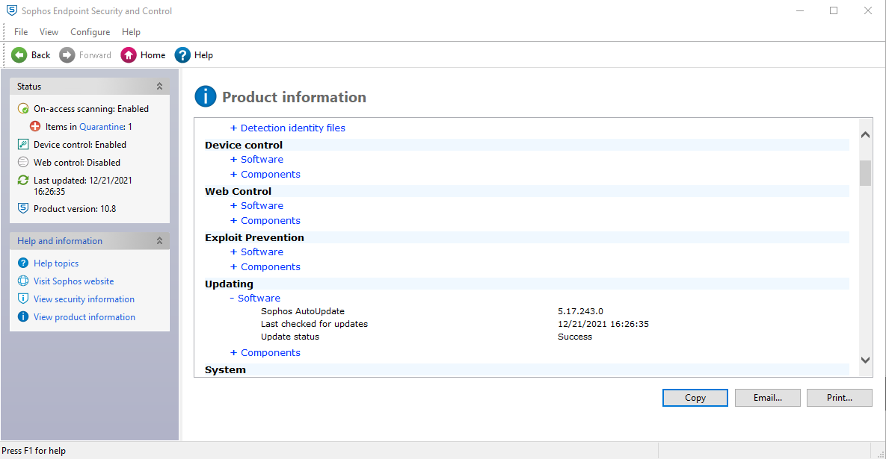
2 | Real-time security（Auto-Protect） | Is real-time protect (Auto-Protect) active?
3 | Virus scanning（scheduled scan ） | Is virus scan (scheduled scan) set-up? | company policy / IT to send monthly report
4 | Virus scanning carried out within seven days | Has the virus scan been carried out within 7days?
5 | Scanning all of the drives | Are all drives target of virus scan? | GDC policy
6 | Windows logon password | Is the Windows login password set-up? | GDC policy
7 | Screen lock password | Is the screen lock password set? | GDC policy
8 | Waiting time of the screen saver (within 10 minutes) | Is the waiting time of the screen saver within 10 minutes? | 1. Right click on the desktop 2. Select Display Settings 3. Select Power & Sleep 4. Set the waiting time of the screen saver to 10 minutes GDC policy
9 | Password for recovery from standby | Is password required when waking up from standby? | GDC policy
10 | BIOS password | In the case of a laptop, is the BIOS password set? | 1. Upon boot up continuosly press F2 (Security PICs/Leads reported that for some machines F12 works or F8) - Please confirm 2. If prompted with BIOS password - OK if none NG |  | 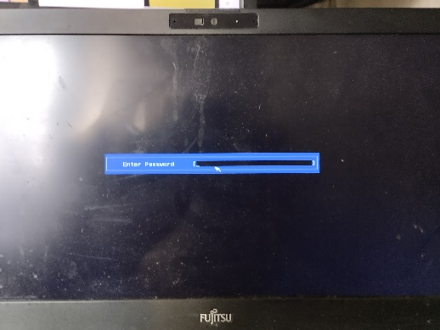 | 7/15/22 | OK
Skip for cycle June 16 -July 15, 2022
11 | HDD password | In the case of a laptop, is HDD password set? | 1. In the windows search type 「This PC」 2. Click This PC 2. Double click Local disk |  | 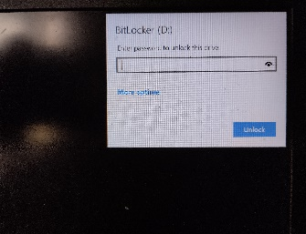 | 7/15/22 | OK
12 | Support of OS *1 | Is OS supported by microsoft? Please confirm the end of OS support. *1 | 1. In the windows search, type "cmd" 2. Click Command Prompt, then type "winver" 3. Is your version supported? Please refer to https://endoflife.date/windows
13 | Microsoft Update and so on | Is the latest security update of WSUS or Microsoft Update applied? | 1. Click Start button 2. Select "Settings" 3. Click "Update & Security" 4. Is the status say's "You're up to date" with last checked at least the previous day? | 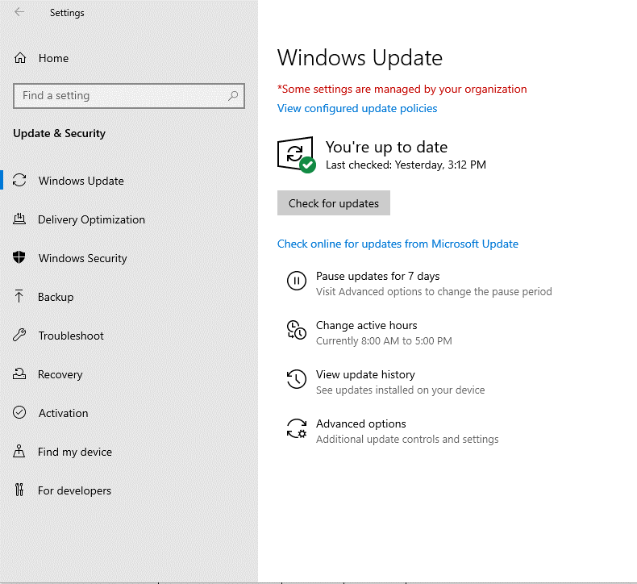
14 | Support of Adobe Flash Player*2 | Is Adobe Flash Player supported ? Please confirm if it is supported. *2 | Adobe stopped supporting Flash player beginning December 31, 2020
15 | Support of Adobe Reader*2 | Is Adobe Reader supported ? Please confirm if it is supported. *2 | Support from vendor expired or not? If expired = NG |  | 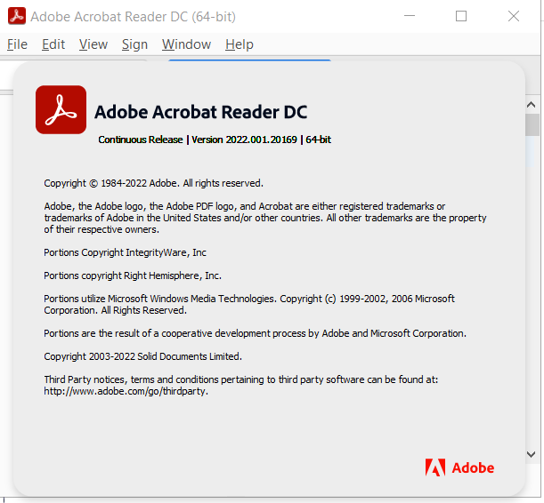 | 7/15/22 | OK
Skip for cycle June 16 -July 15, 2022
16 | Support of Adobe Acrobat *2 | Is Adobe Acrobat supported ? Please confirm if it is supported. *2 | Support from vendor expired or not? If expired = NG
Skip for cycle June 16 -July 15, 2022
17 | Support of Java Runtime Plugin*3 | Is Java Runtime Plugin supported ? Please confirm if it is supported. *2 | Support from vendor expired or not? If expired = NG |  |  | 7/15/22 | OK
18 | Support of RealPlayer *4 | Is RealPlayer supported ? Please confirm if it is supported. *2 | Support from vendor expired or not? If expired = NG
19 | Google Desktop「search across computers」 | The 「search across computers」 function of Google Desktop disabled? If applied, please choose NG. | Google Desktop was officially discontinued on September 14, 2011 1. In the windows search, type "Google Desktop" 2. There should be no Google Desktop application found in the laptop
20 | Tool for preventing sending e-mail to outside the company by mistake (SHieldMailChecker) | If you use e-mail, is SHieldMailChecker , tool to prevent sending e-mail to outside the company by mistake, installed ? | Similar Tool not available in GDC Always set to "-" 1. Open Outlook 2. Type email address other than @fujitsu.com 3. Is notification appearing?
21 | Internet Explorer 「autocomplete」[Options] | ・In Internet Explorer Menu, click [Tools]-[Internet Options]-[Contents] tab - [Autocomplete] settings . ・In [Use AutoComplete for] items, is [Ask me before saving passswords] unchecked? | GDC Policy autocomplete is not prohibited Always set to "-"
22 | Encryption HDD | Windows user: In the case of laptop, is encryption HDD mounted or encryption software installed? | 1. In the windows search, type "Manage Bitlocker 2. Click result 3. Is the bitlocker status is "on"? | 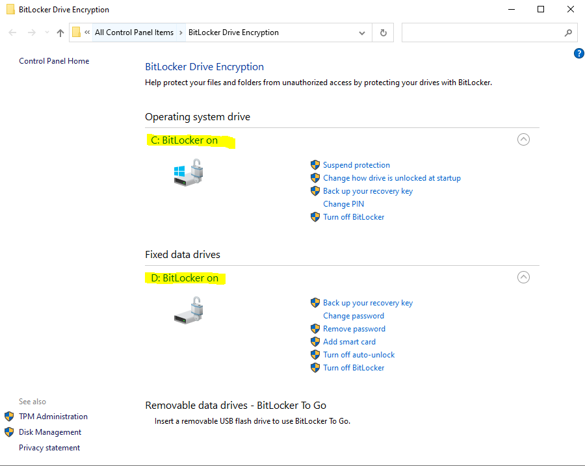 | 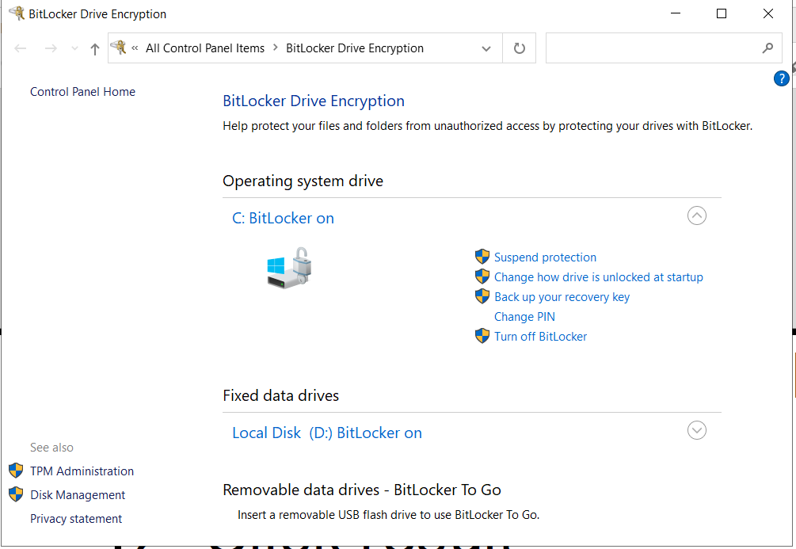 | 7/15/22 | OK
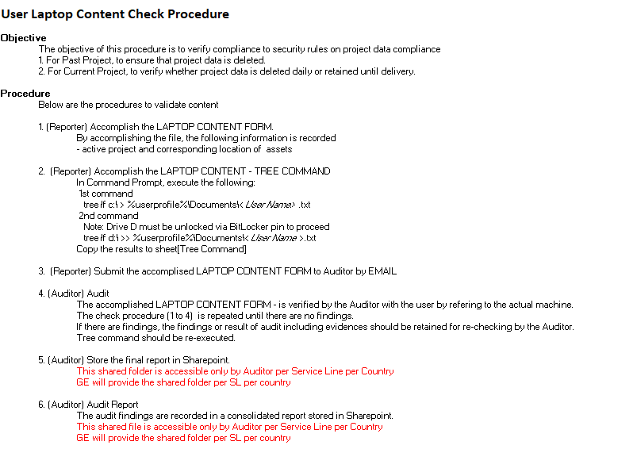
23 | Local file deletion | Follow the tree command | For targeted members are: JML (Joiner, Mover and Leaver) Please follow the Laptop Content Check Procedure and complete PL_07 and PL_08 |  | *Please refer to Security - Laptop Content Form_Fullname.xlsx | 7/15/22 | OK

